Aula
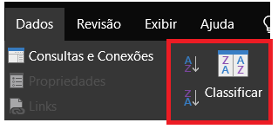

Adicionando classificações
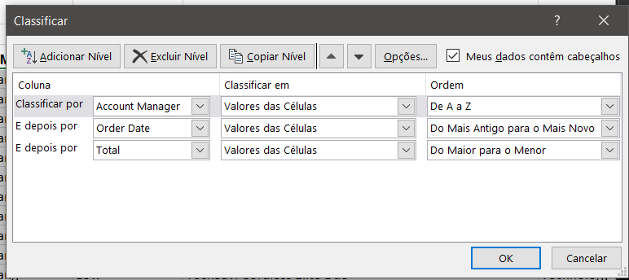

OBS: Nesse caso, a planiha será classificada (níveis que foram definidos: data e valor total) a partir do Account Manager (Gerente de contas)

